Foglio1 (10)
Ref URL | https://edh-www.adw.uni-heidelberg.de/edh/inschrift/HD004396
ID | HD004396
Alt IDs? | EDH Geo-ID: 27528 | Pleiades ID: 128376
Object Type? | stele
Material | limestone: rocks - clastic sediments
Language | latina
Date | 71 AD – 100 AD
Inscription Type | epitaph
Image URLs | https://edh-www.adw.uni-heidelberg.de/digilib/Scaler/IIIF/f004361.tif/full/full/0/default.png
 | 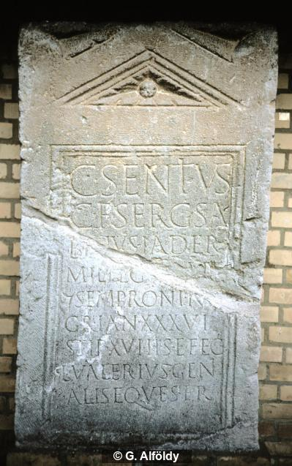
Interpretive | C(aius) Sentius
 | C(ai) f(ilius) Serg(ia) Sa/b[i]nus Iader
 | mil(es) leg(ionis) X[V A]p(?)[o(llinaris)]
 | |(centuria) Semproni Ni/gri an(norum) XXXVI
5 | stip(endiorum) XVI h(ic) s(itus) e(st) fec(it)
 | L(ucius) Valerius Geni/alis eques fr(atri?)
Diplomatic? | C SENTIVS
 | C F SERG SA
 | C F SERG SA
 | MIL LEG X[ ]P[ ]
 | | SEMPRONI NI
 | GRI AN XXXVI
 | STIP XVI H S E FEC
 | L VALERIVS GENI
 | ALIS EQVES FR
GEO | 48.114711954,16.879036724

Foglio1 (5)
Ref URL | https://edh-www.adw.uni-heidelberg.de/edh/inschrift/HD004420
ID | HD004420
Alt IDs? | EDH Geo-ID: 8958 | Pleiades ID: 109169
Object Type? | stele
Material | limestone: rocks - clastic sediments
Language | latin
Date | 1 AD – 50 AD
Inscription Type | epitaph
Image URLs | https://edh-www.adw.uni-heidelberg.de/fotos/F017175.JPG | https://edh-www.adw.uni-heidelberg.de/fotos/F017178.JPG | https://edh-www.adw.uni-heidelberg.de/fotos/F017176.JPG
 | 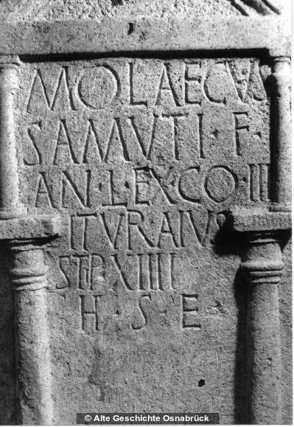 | 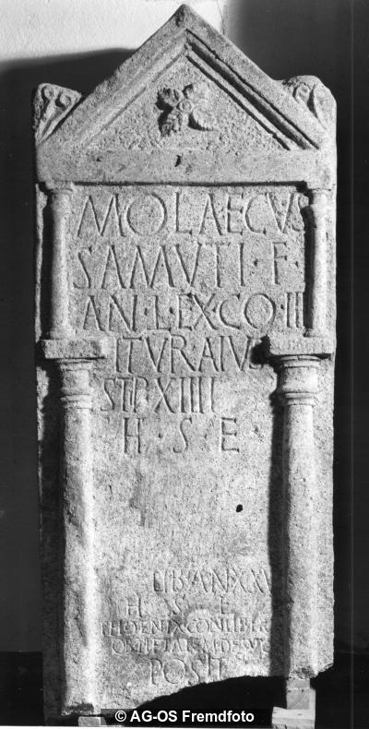 | 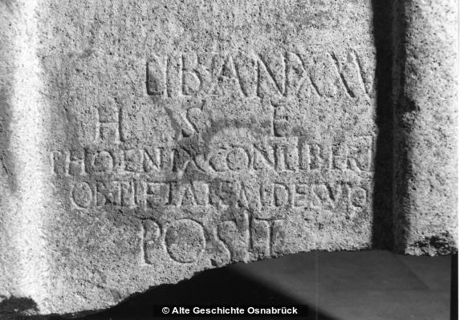
Interpretive | Molaecus
 | Samuti f(ilius)
 | an(norum) L ex co(horte) III
 | Ituraius(!)
5 | stip(endiorum) XIIII / h(ic) s(itus) e(st)
 | ____]]]
 | [[[---]]] lib(ert--) an(norum) XXV
 | h(ic) s(it--) e(st)
 | Phoenix conliberto
 | ob pietatem de suo
 | pos(u)it
Diplomatic? | MOLAECVS
 | SAMVTI F
 | AN L EX CO III
 | ITVRAIVS
 | STIP XIIII
 | H S E

 | ]]]
 | [[[ ]]] LIB AN XXV
 | H S E
 | PHOENIX
 | CONLIBERTO
 | OB PIETATEM DE SVO
 | POSIT
GEO | 49.976292815,8.3062491401

Foglio1
Ref URL | https://edh-www.adw.uni-heidelberg.de/edh/inschrift/HD004432
ID | HD004432
Alt IDs? | EDH Geo-ID: 18641 | Pleiades ID: 118986
Object Type? | altar
Material | limestone: rocks - clastic sediments
Language | Latin
Date | 107 AD – 162 AD
Inscription Type | votive inscription
Image URLs | https://edh-www.adw.uni-heidelberg.de/digilib/Scaler/IIIF/f007390.tif/full/full/0/default.png
 | 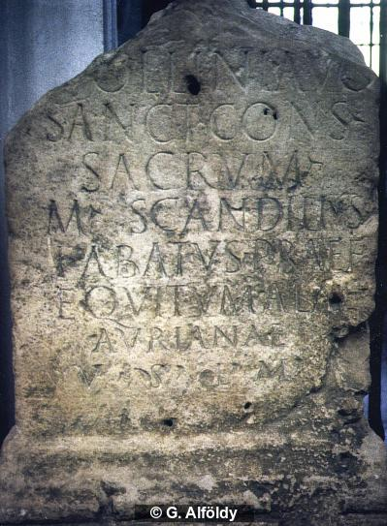
Interpretive | [Ap]ollini Aug(usto)
 | sanct(o) cons(ervatori) sacrum
 | M(arcus) Scandilius
 | Fabatus praef(ectus)
5 | equitum alae
 | Aurianae
 | v(otum) s(olvit) l(ibens) m(erito)
Diplomatic? | [ ]OLLINI AVG
 | SANCT CONS SACRVM
 | M SCANDILIVS
 | FABATVS PRAEF
 | EQVITVM ALAE
 | AVRIANAE
 | V S L M
GEO | 48.647894222,10.820900201

Foglio1 (2)
Ref URL | https://edh-www.adw.uni-heidelberg.de/edh/inschrift/HD004441
ID | HD004441
Alt IDs? | EDH Geo-ID: 18697 | Pleiades ID: 118580
Object Type? | stele
Material | limestone: rocks - clastic sediments
Language | Latin
Date | 179 AD – 300 AD
Inscription Type | epitaph
Image URLs | https://edh-www.adw.uni-heidelberg.de/fotos/F035406.JPG
 | 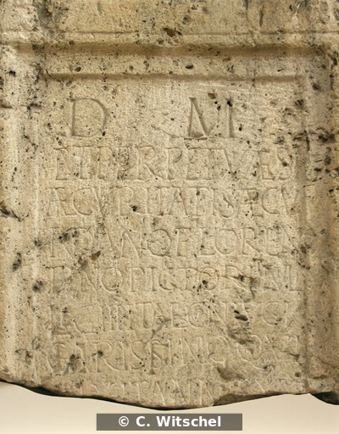
Interpretive | D(is) M(anibus)
 | et perpetuae s
 | aecuri
 | tati(!) Saecu
5 | ndano(!) Floren
 | tino Pictori mil(iti)
 | leg(ionis) III Ital(icae) coniugi
 | carissimo qui
 | vixit annis XLV
 | [------
Diplomatic? | D M
 | ET PERPETVAE S
 | AECVRI
 | TATI SAECV
 | NDANO FLOREN
 | TINO PICTORI MIL
 | LEG III ITAL CONIVGI
 | CARISSIMO QVI
 | VIXIT ANNIS XLV
 | [
GEO | 48.37451,10.897359999

Foglio1 (3)
Ref URL | https://edh-www.adw.uni-heidelberg.de/edh/inschrift/HD004447
ID | HD004447
Alt IDs? | EDH Geo-ID: 7836
Object Type? | tile
Material | Ton
Language | Latin
Date | July 101 AD – 300 AD
Inscription Type | identification inscription
Image URLs | https://edh-www.adw.uni-heidelberg.de/digilib/Scaler/IIIF/f038197.tif/full/full/0/default.png | https://edh-www.adw.uni-heidelberg.de/digilib/Scaler/IIIF/f038198.tif/full/full/0/default.png | https://edh-www.adw.uni-heidelberg.de/digilib/Scaler/IIIF/f038200.tif/full/full/0/default.png | https://edh-www.adw.uni-heidelberg.de/digilib/Scaler/IIIF/f038201.tif/full/full/0/default.png | http://edh-www.adw.uni-heidelberg.de/edh/foto/F038201
 | 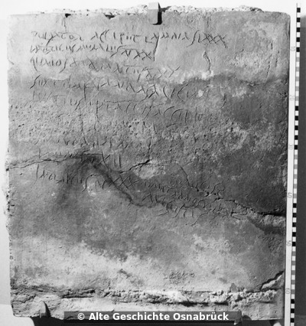 | 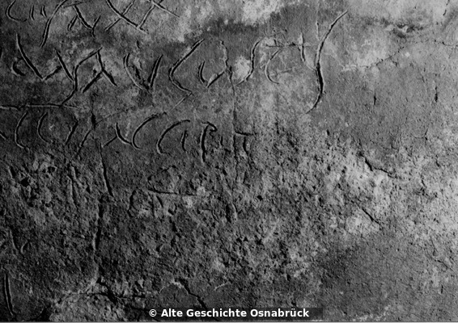 | 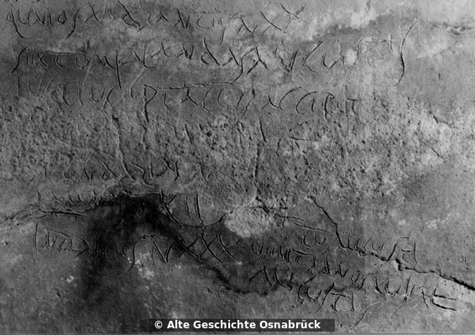 | 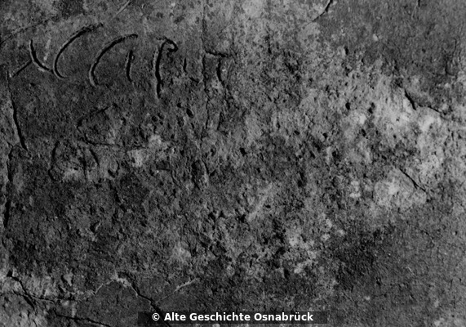 | 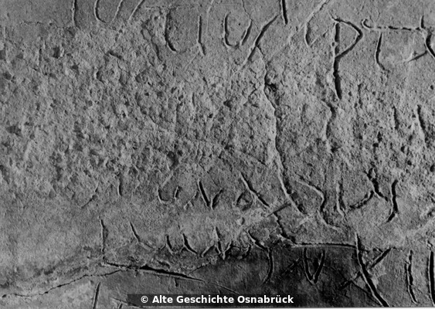
Interpretive | Pulsator accipet(!) lamnas LXXX
 | imbrices murales n(umero) XX
 | qu<in>os dodrantes n(umero) XX
 | sextum Kalandas(!) Augustas
5 | Iustius Optatus accipet(!)
 | [---]A(?)[---]S(?)T(?)[---]
 | se(?)[c]undarias n(umero) [---]
 | lamnas n(umero) XII
 | inbrices(!) n(umero) XXX
 | [--?]ttus Augusti
 | venit ad nos XV Kal(endas)
 | Augustas
Diplomatic? | PVLSATOR ACCIPET LAMNAS LXXX
 | IMBRICES MVRALES N XX
 | QVNIOS DODRANTES N XX
 | SEXTVM KALANDAS AVGVSTAS
 | IVSTIVS OPTATVS ACCIPET
 | [ ]A[ ]ST[ ]
 | SE[ ]VNDARIAS N [ ]
 | LAMNAS N XII
 | INBRICES N XXX
 | [ ]TTVS AVGVSTI
 | VENIT AD NOS XV KAL
 | AVGVSTAS
GEO | 50.449415995,6.8939960002

Foglio1 (4)
Ref URL | https://edh-www.adw.uni-heidelberg.de/edh/inschrift/HD004465
ID | HD004465
Alt IDs? | EDH Geo-ID: 8070
Object Type? | altar
Material | calcareous tuff: rocks - clastic sediments
Language | Latin
Date | 71 AD – 116 AD
Inscription Type | votive inscription
Image URLs | https://edh-www.adw.uni-heidelberg.de/fotos/F038202.JPG
 | 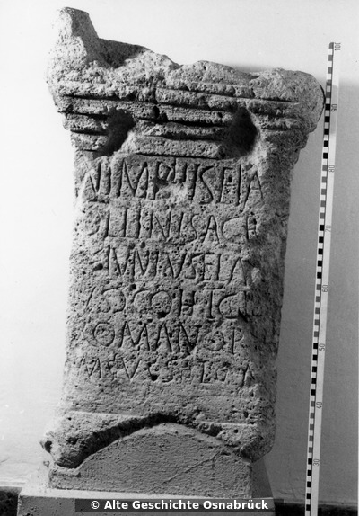
Interpretive | Nimphis(!) e<t> A[p]
 | ollini sacr(um)
 | [L(ucius)?] Iunius Ela[--]
 | us |(centurio) coh(ortis) I ci[v(ium)]
5 | Romanor[u]
 | m v(otum) s(olvit) l(ibens) m(erito)
Diplomatic? | NIMPHIS EI A[ ]
 | OLLINI SACR
 | [ ] IVNIVS ELA[ ]
 | VS | COH I CI[ ]
 | ROMANOR[ ]
 | M V S L M
GEO | 50.454282791,7.2986263667

Foglio1 (6)
Ref URL | https://edh-www.adw.uni-heidelberg.de/edh/inschrift/HD004477
ID | HD004477
Alt IDs? | EDH Geo-ID: 8945 | Pleiades ID: 109169
Object Type? | stele
Material | limestone: rocks - clastic sediments
Language | Latin
Date | 70 AD – 92 AD
Inscription Type | epitaph
Image URLs | https://edh-www.adw.uni-heidelberg.de/fotos/F017133.JPG
 | 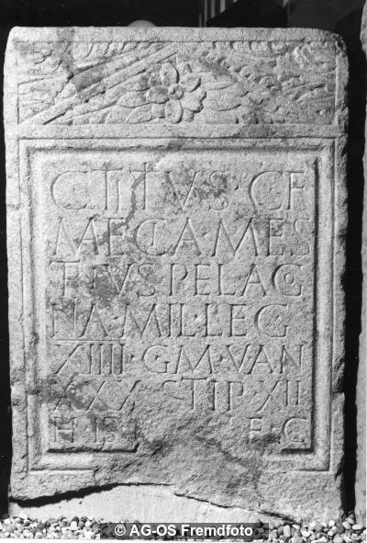
Interpretive | C(aius) Titius C(ai) f(ilius)
 | Maecia Mes
 | trius Pelago
 | nia mil(es) leg(ionis)
5 | XIIII g(eminae) M(artiae) v(ictricis) an(norum)
 | XXX stip(endiorum) XII
 | h(ic) i(ntus?) s(itus) e(st) h(eres) f(aciendum) c(uravit)
Diplomatic? | C TITIVS C F
 | MAECIA MES
 | TRIVS PELAGO
 | NIA MIL LEG
 | XIIII G M V AN
 | XXX STIP XII
 | H I S E H F C
GEO | 49.989012,8.2568263000

Foglio1 (7)
Ref URL | https://edh-www.adw.uni-heidelberg.de/edh/inschrift/HD004490
ID | HD004490
Alt IDs? | EDH Geo-ID: 8915 | Pleiades ID: 109169
Object Type? | stele
Material | limestone: rocks - clastic sediments
Language | Latin
Date | 13 BC – 43 AD
Inscription Type | epitaph
Image URLs | https://edh-www.adw.uni-heidelberg.de/digilib/Scaler/IIIF/f017166.tif/full/full/0/default.png
 | 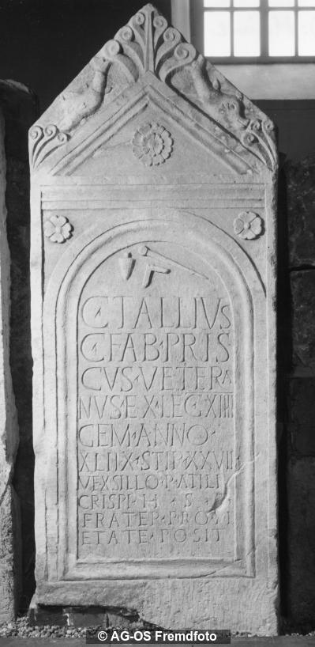
Interpretive | C(aius) Tallius
 | C(ai) Fab(ia) Pris/cus vetera
 | nus ex leg(ione) XIIII
 | gem(ina) anno(rum)
5 | XLIIX stip(endiorum) XXVII
 | vexsillo(!) P(ubli) Atili
 | Crispi h(ic) s(itus) e(st)
 | frater pro pi/etate pos(u)it
Diplomatic? | C TALLIVS
 | C FAB PRIS
 | CVS VETERA
 | NVS EX LEG XIIII
 | GEM ANNO
 | XLIIX STIP XXVII
 | VEXSILLO P ATILI
 | CRISPI H S E
 | FRATER PRO PI
 | ETATE POSIT
GEO | 49.994872899,8.2383862000

Foglio1 (8)
Ref URL | https://edh-www.adw.uni-heidelberg.de/edh/inschrift/HD004519
ID | HD004519
Alt IDs? | EDH Geo-ID: 8810
Object Type? | altar
Material | sandstone: rocks - clastic sediments
Language | Latin
Date | 15. July 212 AD
Inscription Type | votive inscription
Image URLs | https://edh-www.adw.uni-heidelberg.de/fotos/F034888.JPG
 | 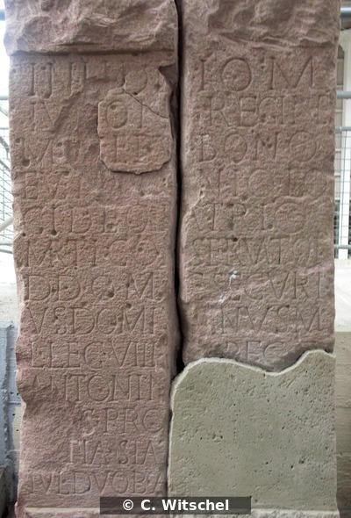
Interpretive | In h(onorem) d(omus) d(ivinae) I(ovi) O(ptimo) M(aximo)
 | Iunon[i] Regin(a)e
 | Minerv(a)e Bono
 | Even[tui Ge]nio lo
5 | ci deo patrio
 | Marti Conservatori
 | d(is) d(eabusque) om(nibus) C(aius) Securi
 | us Domit[ia]nus m
 | il(es) leg(ionis) VIII [Aug(ustae)] p(iae) f(idelis) c(onstantis) C(ommodae)
 | Antonin[ianae b(ene)f(iciarius)]
 | [co(n)]s(ularis) pro [se et suis]
 | [ter]tia stat(ione) [v(otum) s(olvit) l(ibens) m(erito) Id(ibus)]
 | Iul(iis) duob(us) A[spris co(n)s(ulibus)]
Diplomatic? | IN H D D I O M
 | IVNON[ ] REGINE
 | MINERVE BONO
 | EVEN[ ]NIO LO
 | CI DEO PATRIO
 | MARTI CONSERVATORI
 | D D OM C SECVRI
 | VS DOMIT[ ]NVS M
 | IL LEG VIII [ ] P F C C
 | ANTONIN[ ]
 | [ ]S PRO [ ]
 | [ ]TIA STAT [ ]
 | IVL DVOB A[ ]
GEO | 49.430908424,9.4272913822

Foglio1 (9)
Ref URL | https://edh-www.adw.uni-heidelberg.de/edh/inschrift/HD004558
ID | HD004558
Alt IDs? | EDH Geo-ID: 8943 | Pleiades ID: 109169
Object Type? | stele
Material | limestone: rocks - clastic sediments
Language | Latin
Date | 39 AD – 70 AD
Inscription Type | epitaph
Image URLs | https://edh-www.adw.uni-heidelberg.de/fotos/F017137.JPG | https://edh-www.adw.uni-heidelberg.de/fotos/F017136.JPG
 | 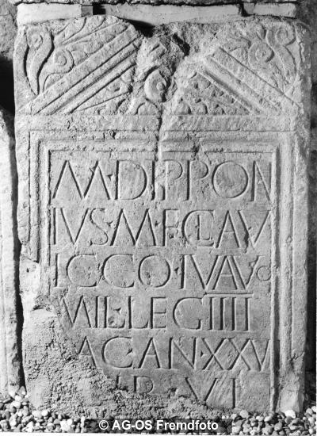 | 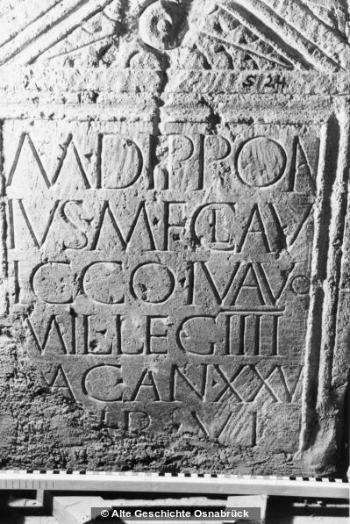
Interpretive | M(arcus) Dippon
 | ius M(arci) f(ilius) Clau(dia)
 | Icco Iu(v)avo
 | mil(es) leg(ionis) IIII
5 | Mac(edonicae) an(norum) XXVI
 | [st]ip(endiorum) VI
 | [h(ic) s(itus) e(st) h(eres) f(aciendum)] c(uravit)
Diplomatic? | M DIPPON
 | IVS M F CLAV
 | ICCO IVAVO
 | MIL LEG IIII
 | MAC AN XXVI
 | [ ]IP VI
 | [ ] C
GEO | 49.988819700,8.2562265000

